Sheet1
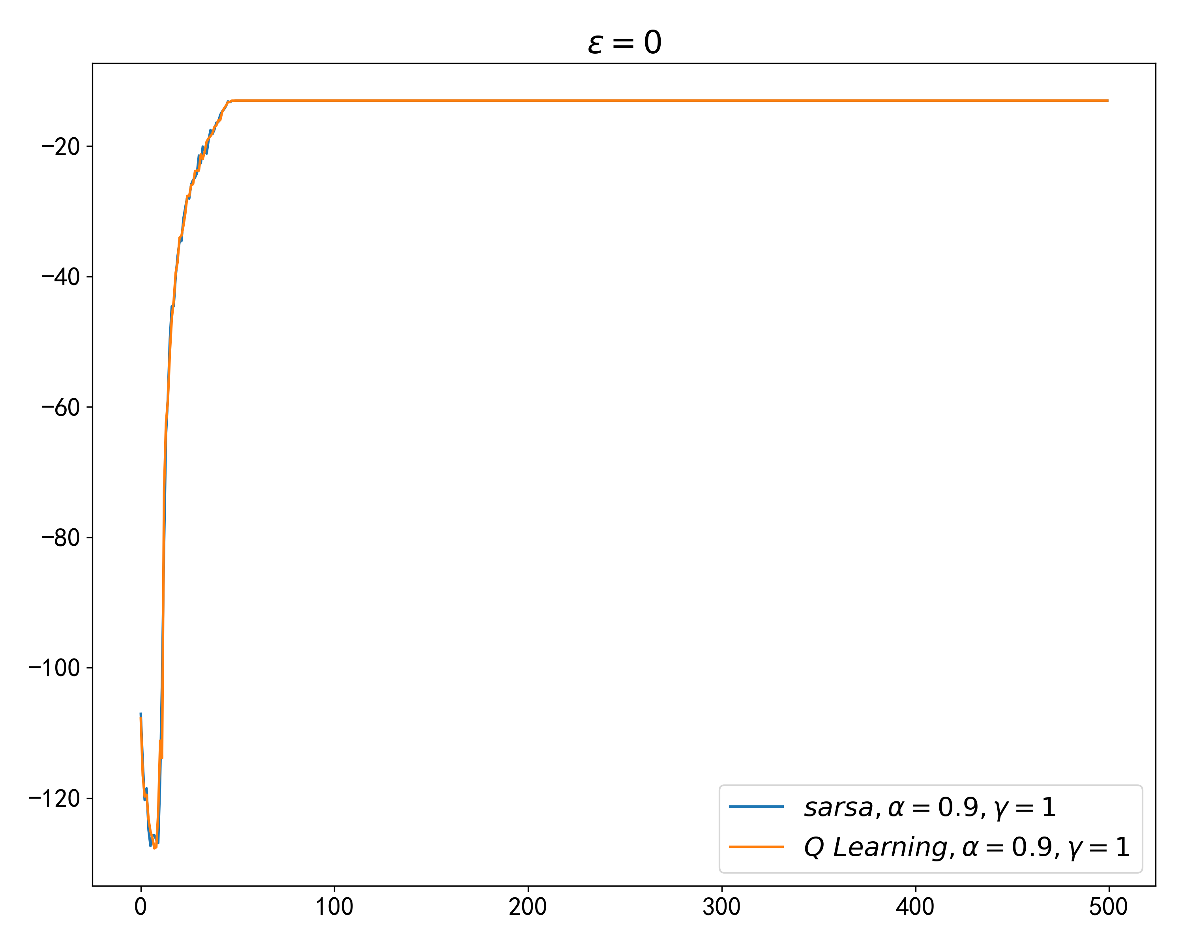
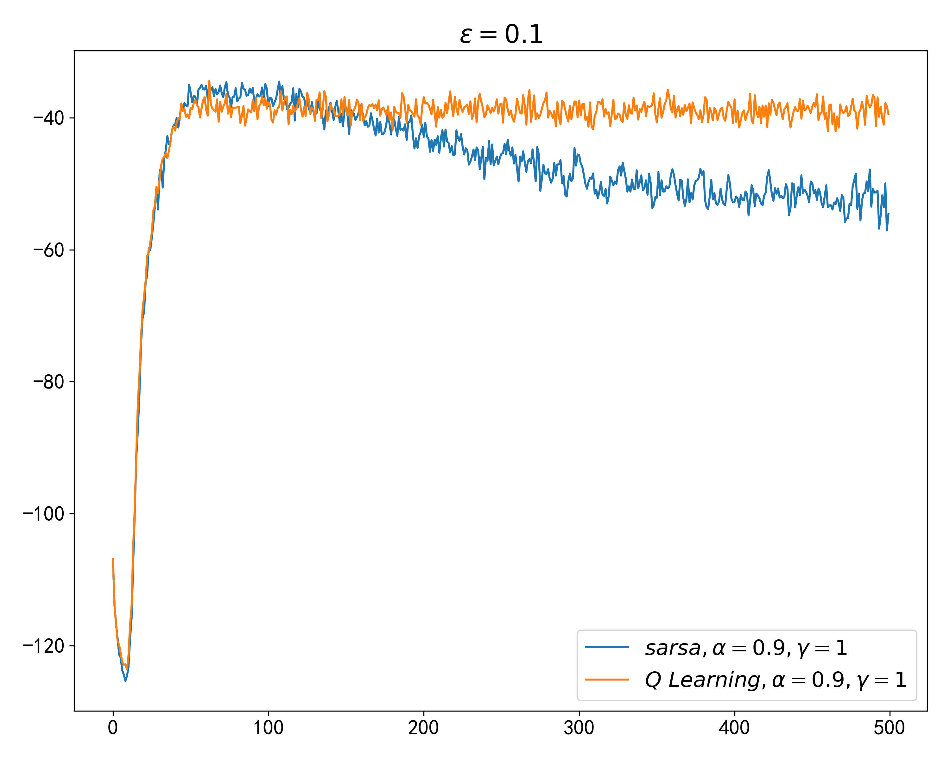
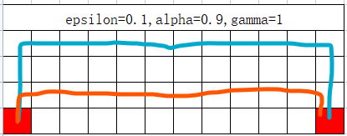
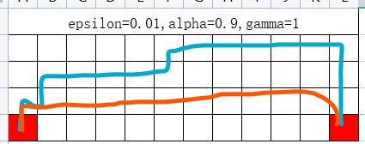
epsilon=0.01,alpha=0.9,gamma=1

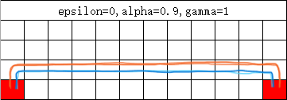
 | 图例：
 | sarsa
 | Q Learning

sarsa: [(3, 0), (2, 0), (2, 1), (1, 1), (1, 2), (1, 3), (1, 4), (1, 5), (0, 5), (0, 6), (0, 7), (0, 8), (0, 9), (0, 10), (0, 11), (1, 11), (2, 11), (3, 11)]
Q Learning: [(3, 0), (2, 0), (2, 1), (2, 2), (2, 3), (2, 4), (2, 5), (2, 6), (2, 7), (2, 8), (2, 9), (2, 10), (2, 11), (3, 11)]

epsilon=0,alpha=0.9,gamma=1

sarsa/Q Learning: [(3, 0), (2, 0), (2, 1), (2, 2), (2, 3), (2, 4), (2, 5), (2, 6), (2, 7), (2, 8), (2, 9), (2, 10), (2, 11), (3, 11)]

epsilon=0.1,alpha=0.9,gamma=1

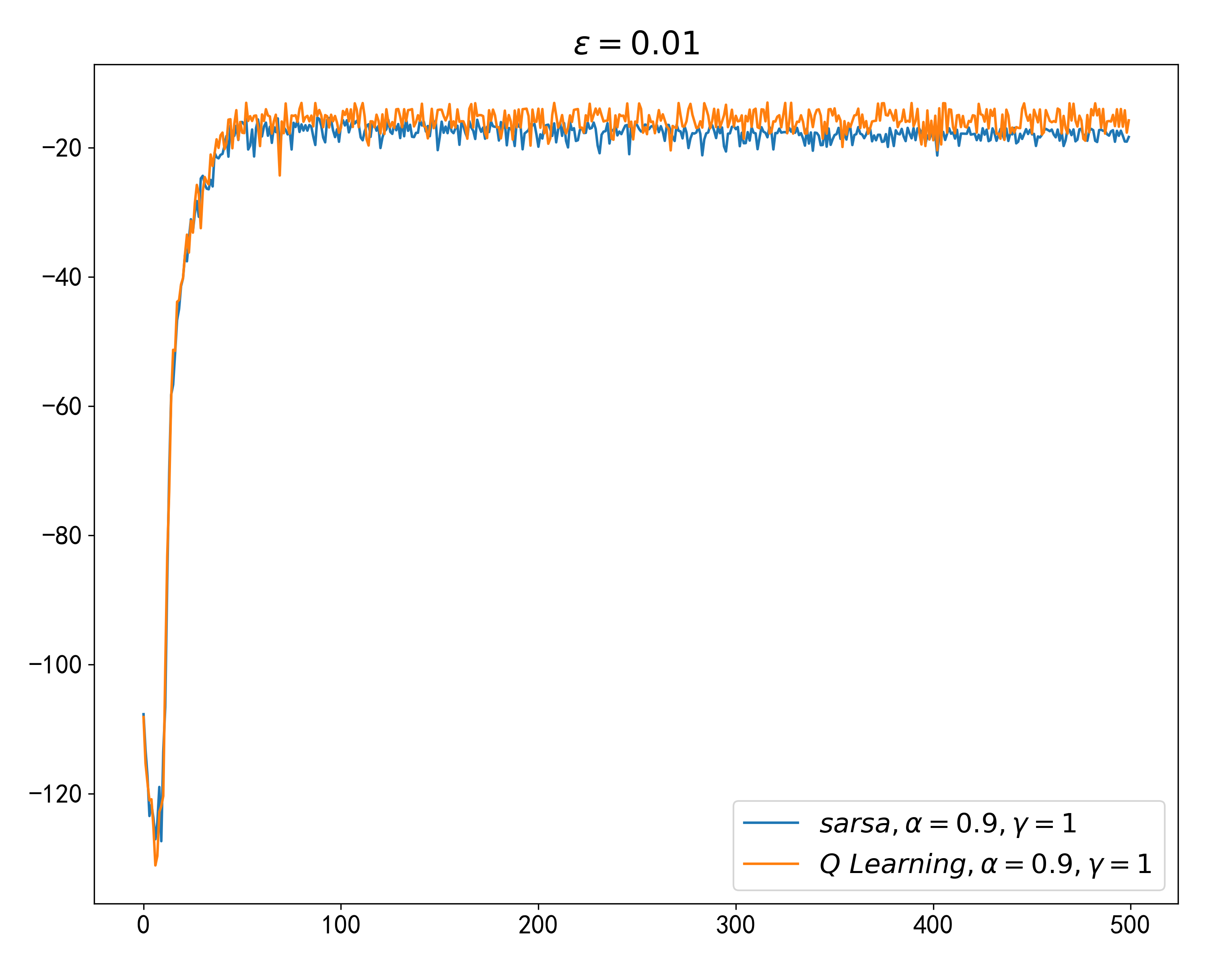
sarsa: [(3, 0), (2, 0), (1, 0), (0, 0), (0, 1), (0, 2), (0, 3), (0, 4), (0, 5), (0, 6), (0, 7), (0, 8), (0, 9), (0, 10), (0, 11), (1, 11), (2, 11), (3, 11)]
Q Learning: [(3, 0), (2, 0), (2, 1), (2, 2), (2, 3), (2, 4), (2, 5), (2, 6), (2, 7), (2, 8), (2, 9), (2, 10), (2, 11), (3, 11)]

